HOME
 |  | LOGIN/OUT



 |  | USERS

 |  | REPORTS

 | ASSET MANAGER | DOCUMENTS

STORE DB
GRAPHICS DB
ASSETS DB

⬇

ADD/EDIT STORE
ADD/EDIT GRAPHIC
ADD/EDIT ASSET

ASSET
NOTE: CLICK TO OPEN INDIVIDUAL ASSET OR GRAPHIC PROFILE
 |  |  |  |  |  | HOME

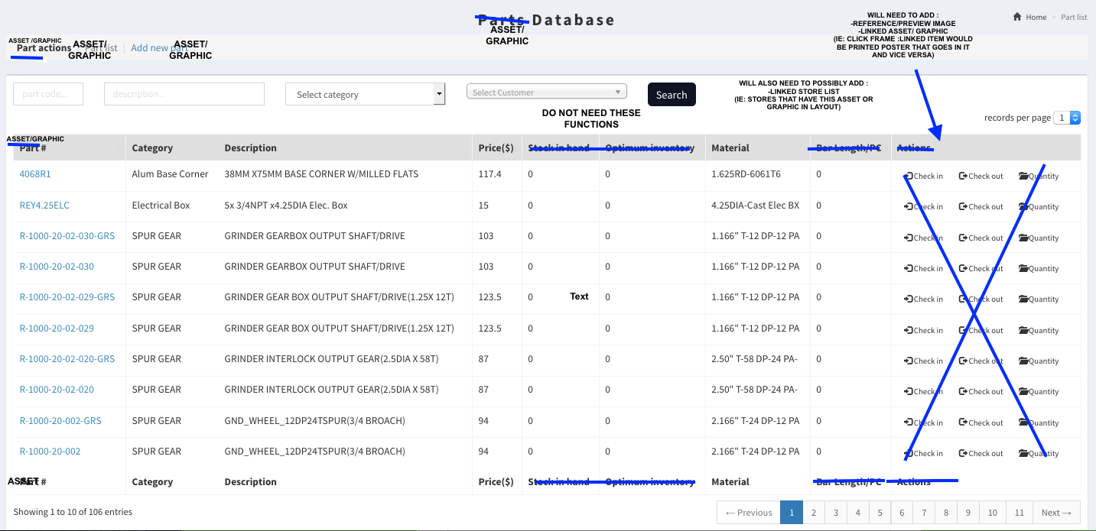
ASSET |  |  |  | LOCATION |  | PURCHASE |  |  |  | QUANTITY / VALUE |  |  |  | ASSET INFORMATION
ITEM NO. | NAME | DESCRIPTION | TYPE | DEPARTMENT | SPACE | DATE OF LAST ORDER | VENDOR | PURCHASE PRICE PER ITEM | WARRANTY EXPIRY DATE | CONDITION | QUANTITY | ASSET VALUE | TOTAL VALUE | MODEL | VENDOR NO. | REMARKS | PHOTOGRAPH / LINK
A123 | ITEM A | Item A description | FRAME | Main Office | Office 1 | 2016-05-20 | Cole | $300.00 | 2022-05-20 | Excellent | 2 | $400.00 | $800.00 | Commodore | VX123456 |  | www.cole.com/product
B123 | ITEM B | Item B description | POP DISPLAY | Main Office | Office 1 | 2016-05-20 | Cole | $700.00 | 2022-05-20 | Fair | 3 | $700.00 | $2,100.00 | MacBook Air | VX123456 |  | www.cole.com/product
C123 | ITEM C | Item C description | METAL SIGN | Main Office | Office 1 | 2016-05-20 | Cole | $250.00 | 2022-05-20 | Good | 4 | $300.00 | $1,200.00 | Roulette | VX123456 |  | www.cole.com/product
 |  |  |  |  |  |  |  |  |  |  |  |  | $0.00
 |  |  |  |  |  |  |  |  |  |  |  |  | $0.00
 |  |  |  |  |  |  |  |  |  |  |  |  | $0.00
 |  |  |  |  |  |  |  |  |  |  |  |  | $0.00
 |  |  |  |  |  |  |  |  |  |  |  |  | $0.00
 |  |  |  |  |  |  |  |  |  |  |  |  | $0.00
 |  |  |  |  |  |  |  |  |  |  |  |  | $0.00
 |  |  |  |  |  |  |  |  |  |  |  |  | $0.00
 |  |  |  |  |  |  |  |  |  |  |  |  | $0.00
 |  |  |  |  |  |  |  |  |  |  |  |  | $0.00
 |  |  |  |  |  |  |  |  |  |  |  |  | $0.00
 |  |  |  |  |  |  |  |  |  |  |  |  | $0.00
 |  |  |  |  |  |  |  |  |  |  |  |  | $0.00
 |  |  |  |  |  |  |  |  |  |  |  |  | $0.00
 |  |  |  |  |  |  |  |  |  |  |  |  | $0.00
 |  |  |  |  |  |  |  |  |  |  |  |  | $0.00
 |  |  |  |  |  |  |  |  |  |  |  |  | $0.00
 |  |  |  |  |  |  |  |  |  |  |  |  | $0.00
 |  |  |  |  |  |  |  |  |  |  |  |  | $0.00
 |  |  |  |  |  |  |  |  |  |  |  |  | $0.00
 |  |  |  |  |  |  |  |  |  |  |  |  | $0.00
 |  |  |  |  |  |  |  |  |  |  |  |  | $0.00
 |  |  |  |  |  |  |  |  |  |  |  |  | $0.00
 |  |  |  |  |  |  |  |  |  |  |  |  | $0.00
 |  |  |  |  |  |  |  |  |  |  |  |  | $0.00
 |  |  |  |  |  |  |  |  |  |  |  |  | $0.00

IND STORE PROFILE
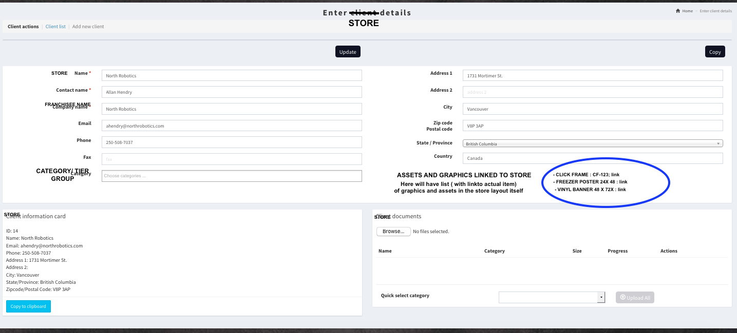
 |  |  |  |  | HOME |  |  |  |  | NOTE: CLICK TO OPEN INDIVIDUAL STORE PROFILE
 |  |  |  |  |  |  |  |  |  | ← Insert Copied Columns to the Left
TIER | STORE ID | STORE NAME | Street | Work Phone | Work Email | FRANCHISEE Name | Home City | Home State | Home Zip | Notes
ONE | MM123 | TORONTO | 18119 Shireoak Dr. | 222-656-7890 |  | Jane | Canton | MI | 84765 | Meet at show in June 2009.
TWO | MM321 |  |  | 222-656-7890 | busl@abccorp.com | Bubba
THREE | MM89 |  |  | 444-555-6666 | xyz@plumber.com

 |  |  |  |  |  |  |  |  |  | [42]

IND ASSET PROFILE
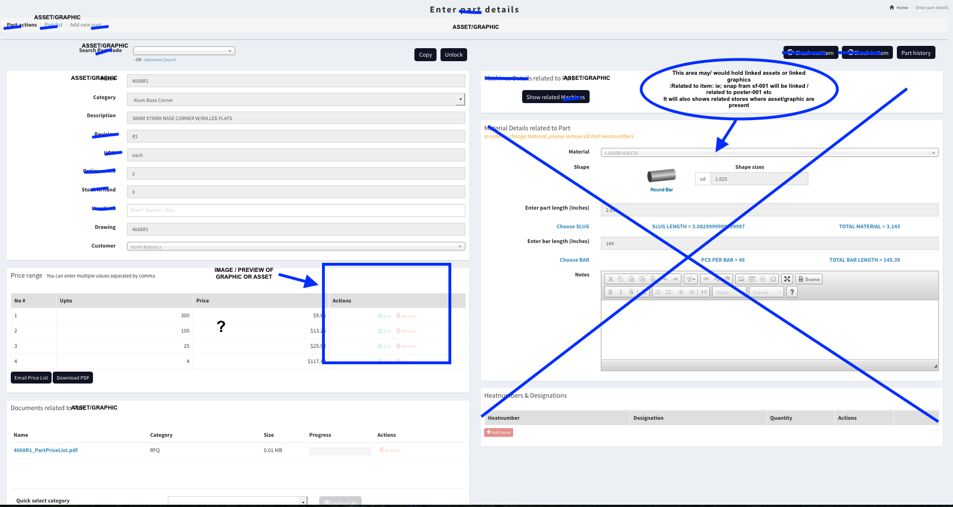
HOME

